Update Basis
Outdoor Acoustic Study
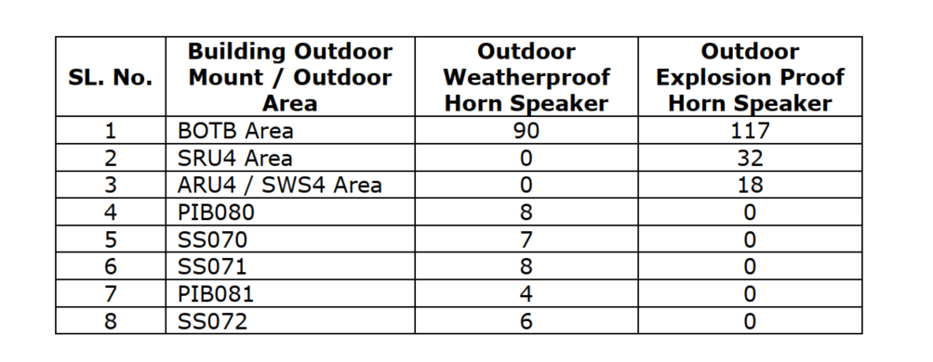

o. | Master No. | 입찰 | 수행 | 등급 | 사업영역 | 프로젝트명 | Phase | Discipline | 제목 | 적용/미적용 | 조치 계획
452 | EN-25-0275 | 필수 | 필수 | B | 화공 | Jafurah Phase II Utilities, Sulfur & Export Facilities (Package 2) for the Jafurah Gas Plant Expansion | Engineering | Control & Instrument | Aramco - Em'cy Siren System Battery 관련 요구사항 | 적용 | Emergency Siren System에 적용되는 Battery 및 Enclosure는 제조사 std.가 아닌 SAES-T-151, SAES-P-103, 17-SAMSS-511, IOGP S-740 기준에 따라 제작진행
453 | EN-25-0269 | 필수 | 필수 | B | 화공 | Jafurah Phase II Utilities, Sulfur & Export Facilities (Package 2) for the Jafurah Gas Plant Expansion | Engineering | Control & Instrument | Aramco - Telecom Pole 관련 요구사항 | 적용 | Telecom Pole 재질, Painting, Coating 관련 요구사항 확인후 MR에 반영 (12-SAMSS-007, SAES-H-001, H-101V)

